ZNSDG
PURSUANT TO REGULATION 59A OF SECURITIES & EXCHANGE BOARD OF INDIA (MUTUAL FUNDS) REGULATIONS, 1996
MONTHLY PORTFOLIO STATEMENT OF ZERODHA NIFTY SHORT DURATION G-SEC INDEX FUND FOR APRIL 2026

Name of the Instrument | ISIN | Rating / Industry | Quantity | Market value (Rs. in Lakhs) | % to NAV | YTM %
Debt Instruments
Government Securities
Government of India (03/06/2029) | IN0020240050 | Sovereign | 197,600.00 | 200.87 | 14.29% | 6.54%
Government of India (10/04/2028) | IN0020230010 | Sovereign | 245,000.00 | 248.72 | 17.70% | 6.31%
Government of India (14/01/2029) | IN0020180454 | Sovereign | 884,000.00 | 902.88 | 64.24% | 6.48%
Sub Total |  |  |  | 1,352.47 | 96.22%

OTHERS
TREPS / Reverse Repo Investments
Clearing Corporation of India Limited | - | - | - | 32.99 | 2.35% | 5.29%
Total |  |  |  | 32.99 | 2.35%

Other Current Assets / (Liabilities)
Net Receivable / Payable | - | - | - | 20.08 | 1.43%
Total |  |  |  | 20.08 | 1.43%

GRAND TOTAL (AUM) |  |  |  | 1,405.54 | 100.00%

Notes:
(1) The aggregate value of illiquid equity shares of the Scheme and its percentage to Net Asset Value is Nil.
(2) Option wise per unit Net Asset Values are as follows:

Option | As on 30 Apr 2026 | As on 31 Mar 2026
Direct Plan | 1007.8187 | 1001.1688

(3) Details of Schemes having exposure in Derivatives is as follows :
a. Hedging Positions through Futures as on April 30, 2026 is Nil.
For the period ended April 30, 2026, hedging transactions through futures which have been squared off/expired is Nil.
b. Other than Hedging Positions through Futures as on April 30, 2026 is Nil.
For the period ended April 30, 2026, non-hedging transactions through futures which have been squared off/expired is Nil.
c. Hedging Positions through Options as on April 30, 2026 is Nil.
d. Other than Hedging Positions through Options as on April 30, 2026 is Nil.
e. Hedging Positions through swaps as on April 30, 2026 is Nil.
(4) Dividend declared for the Month ended April 30, 2026 - Not Applicable
(5) Bonus declared for the month ended April 30, 2026 - Not Applicable
(6) The total market value of investments in foreign securities / American Depositary Receipts / Global Depositary Receipts as on April 30, 2026 is Nil.
(7)Annualised Portfolio YTM : 6.43%
(8) Macaulay Duration : 2.33 Years
(9) The Average Maturity Period of the Portfolio is 2.57 years
(10) Investment in Repo in Corporate Debt Securities during the fortnightly period ended April 30, 2026 is Nil.
(11) No. of instances of deviation from valuation guidelines is Nil.
(12) Debt Index Replication Factor (DIRF) : 96.22%

This product is suitable for investors who are seeking*
>Short Duration Income.

> Investment in securities in line with Nifty Short Duration G-Sec Index to generate comparable returns subject to tracking error

> Degree of risk – Low to Moderate
*Investors should consult their financial advisers if in doubt about whether the product is suitable for them.

Scheme Risk-O-Meter

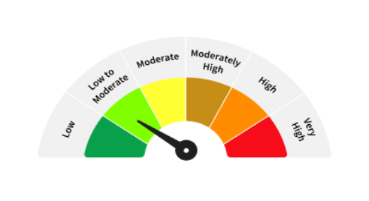

Benchmark - Nifty Short Duration G-Sec Index TRI*

Benchmark Risk-O-Meter

*Riskometer as on 30th April, 2026

